Dashboard
Refresh
Refresh
Dashboard

Total Incurred Loss | $18,567,863
Policy Limit | $1,000,000
Tower of Coverage Vs. Loss Incurred to Date
 | Aspen | Brit | Beazley | Safety National p.o. | Starr | Sompo | C.N.A | Travelers | Nationwide | Allianz | Starr (2) | Safety National (2)
Total | 10,000,000 | 8,567,863 | - | - | - | - | - | - | - | - | - | -
 | Full Cover % | Net Claim Amount
 | 100% | 1855.8%
Fund Distribution
 | Total
ABS/E-Plus | 12,775
Apple | 1,250,000
Baker Hostetler | 20,000
Bank of America | 216,196
BreachRX | 1,200,000
CDW Direct | 7,800
Concur | 29,333
Coveware | 118,479
Crowdstrike | 19,648
Dayforce | 245,944
Edelman | 150,000
Ernst & Young Extra Audit Fees | 709,486
FedEx | 2,236,371
FireEye | 574,475
Johnson and Johnson | 721,172
Mandiant | 10,647
Marsh Consulting | 27,066
OneSimplePlan | 812,328
PWC | 80,000
Sentinel | 56,709
Slait Consulting | 23,503
Tempus Technologies | 25,930

Top 10 - Third Party Claimants
 | Claim Dist | Sum of $Amount
Titleist | 1% | $50,001
Apple | 3% | $150,000
Chase | 4% | $200,000
GE | 9% | $450,000
Kellog | 10% | $500,000
UBS | 10% | $520,000
Verizon | 14% | $700,000
Chanel | 19% | $950,000
Microsoft | 29% | $1,450,000

Appendix 3A
ABC Co. |  |  |  |  |  |  | Appendix 3A
Cyber Claim
Date of Loss:
Cyber Attack Timeline - Key Events - Initial Event Response

 | POSITION |  | DATE
Date of Discovery | -10 | 9/23/2020 | 0
Recovery Event | 10 | 9/24/2020 | 0
Recovery Event | -15 | 9/25/2020 | 0
Recovery Event | 15 | 9/26/2020 | 0
Recovery Event | -20 | 9/27/2020 | 0
Recovery Event | 20 | 9/28/2020 | 0
Recovery Event | -10 | 9/29/2020 | 0
System Restored | 10 | 9/30/2020 | 0
Document Relevant dates and activities
DATE | Description | POSITION | BASELINE | Position Adjusted | Date adjusted | % Recovery | Milestone adjusted
2020-09-23 | Date of Discovery | -10 | 0 | -10 | Date of Discovery | 0%
2020-09-24 | Recovery Event | 10 | 0 | 10 | Recovery Event | 15%
2020-09-25 | Recovery Event | -15 | 0 | -15 | Recovery Event | 30%
2020-09-26 | Recovery Event | 15 | 0 | 15 | Recovery Event | 50%
2020-09-27 | Recovery Event | -20 | 0 | -20 | Recovery Event | 60%
2020-09-28 | Recovery Event | 20 | 0 | 20 | Recovery Event | 75%
2020-09-29 | Recovery Event | -10 | 0 | -10 | Recovery Event | 90%
2020-09-30 | System Restored | 10 | 0 | 10 | System Restored | 100%

Appendix 3B
ABC Co. |  |  |  | Appendix 3B
Cyber Claim
Date of Loss:
Cyber Attack Timeline - Key Events - System Restoration

 | POSITION |  | DATE OF RECOVERY
Date of Discovery | -10 | 9/23/2020 | 0
Recovery Event | 10 | 9/30/2020 | 0
Recovery Event | -15 | 10/2/2020 | 0
Recovery Event | 15 | 10/5/2020 | 0
Recovery Event | -20 | 10/15/2020 | 0
Recovery Event | 20 | 10/20/2020 | 0
Recovery Event | -10 | 10/25/2020 | 0
System Restored | 10 | 11/1/2020 | 0
Document Relevant dates and activities
DATE OF RECOVERY | System/Application impact | DAYS IMPACTED | Date adjusted | % Recovered | Operational Impact - Describe how system/application non availability impacts Operational Capabilities
2020-09-23 | Date of Discovery | - | Date of Discovery | 0%
2020-09-30 | Recovery Event | 7.00 | Recovery Event | 10%
2020-10-02 | Recovery Event | 9.00 | Recovery Event | 30%
2020-10-05 | Recovery Event | 12.00 | Recovery Event | 50%
2020-10-15 | Recovery Event | 22.00 | Recovery Event | 65%
2020-10-20 | Recovery Event | 27.00 | Recovery Event | 75%
2020-10-25 | Recovery Event | 32.00 | Recovery Event | 90%
2020-11-01 | System Restored | 39.00 | System Restored | 100%

Appendix 4
ABC Co. |  |  | Appendix 4
Date of Loss:
Cyber Claim

Overall Limit of Cyber Coverage | $1,000,000
Deductible | $10,000

Layer | Reinsurer | Coverage Period Aggregate | Pool Aggregate Limit
Primary | CRL | $1,000,000 | $10,000,000
 |  | $1,000,000 | $10,000,000

Proof of Loss Preparation Costs |  | No sublimit provided
Deductibles:
1. Retention |  | 10,000
2. Legal
3. Other

Period of Restoration |  | - after the waiting period, "earlier of" wording
Waiting Period in Hours |  | 12

Other Notes

•The identity of the threat actor group including the group name, IP number and account address;
•A copy of the ransom note and any communications with the threat actor;
•Confirmation that insured has no specific reason(s) to suspect that the bad actors are involved in terrorist financing;
•Confirmation that insured has no specific reason(s) to suspect that the bad actors are located in a country or part of an organization currently subject to sanctions by the United States of America, United Kingdom or the European Union;
•Confirmation that relevant law enforcement agencies been informed of the ransom demand and no objections have been raised by those agencies.
•Confirmation of the source of the funds to pay the ransom.

Key Policy Provisions |  |  | Notes

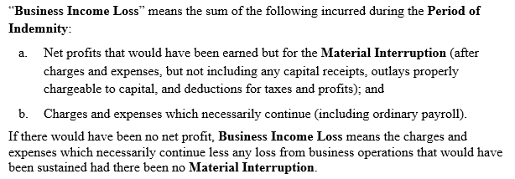

 |  |  | Potential of "no net profit" therefore coverage
 |  |  | is more akin to standing charges coverage - i.e. unabsorbed fixed/continuing costs

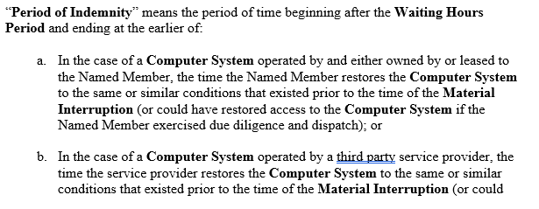
 |  |  | There is no maximium Period of Indemnity provided

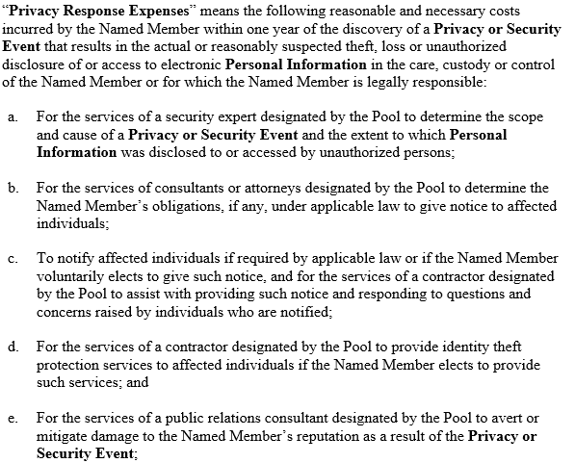

 |  |  | Waiting Hours Period must elapse, but POR begins after
 |  |  | Waiting Period elapses - area of likely dispute.

Appendix 5
ABC Co.
Cyber Claim
Date of Loss:
Key Visuals

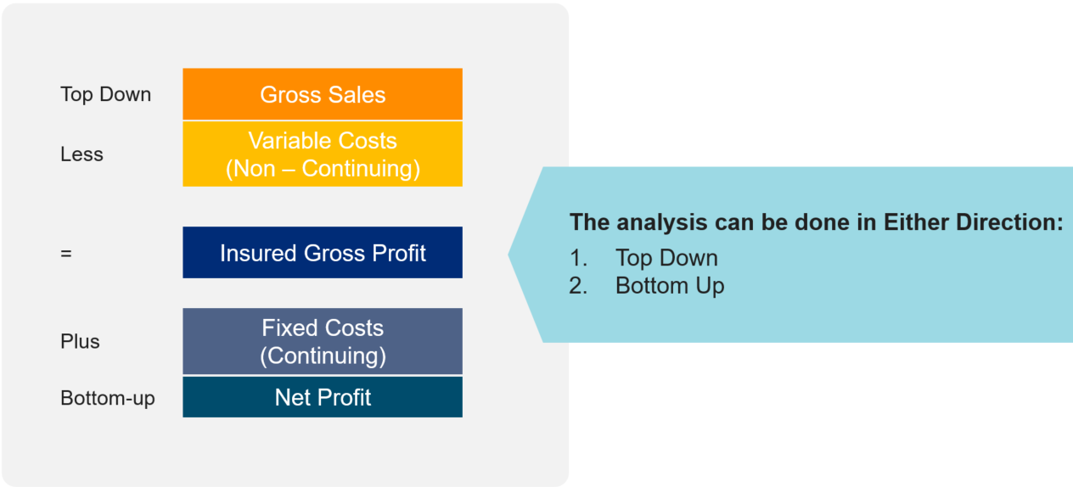

 | Rate of Gross Profit = | Insured Gross Profit
 |  | Gross Sales

 | Rate of Standing Charges(Fixed Costs) = | Contining Costs
 |  | Gross Sales

 | In a non-profit environment net profit is zero meaning Gross Profit equal Standing Charges (Fixed Expenses).
 | If source of funding/revenues is tied to providing services a shortfall in funding will occur
 | The source of reimbursement due to the cyber event shifts from the normal course of funding to the insurance policy

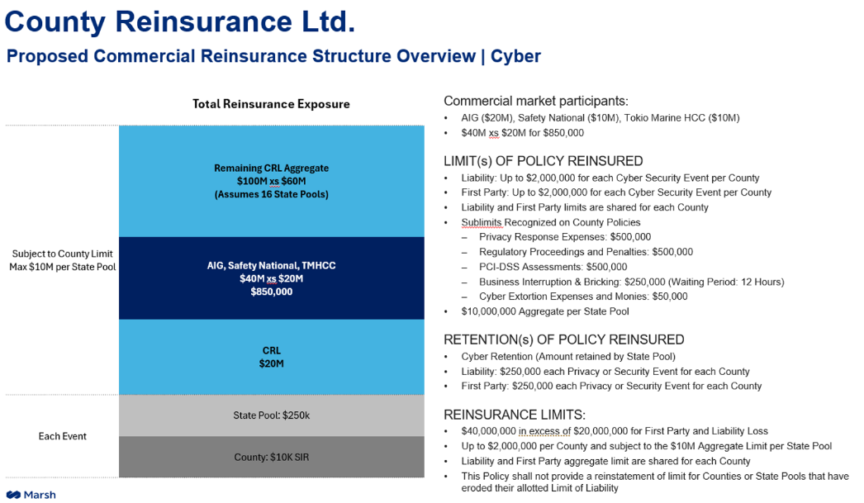

Dashboard Charts
 |  |  |  |  |  |  | Tower of Coverage Vs. Loss Incurred to Date
 |  |  |  |  |  |  |  | Column Labels
 |  |  |  |  |  |  |  | Aspen | Brit | Beazley | Safety National p.o. | Starr | Sompo | C.N.A | Travelers | Nationwide | Allianz | Starr (2) | Safety National (2) | Bowhead | Ironshore | Falcon | Markel | Grand Total
 |  |  |  |  |  |  | Sum of Amount Exhausted | 10,000,000 | 8,567,863 | - | - | - | - | - | - | - | - | - | - | - | - | - | - | 18,567,863
Estimated Loss | Incurred To Date | Agreed to Date | Difference
TBD | 18,567,863 | 0 | 18,567,863

Tower of Coverage Vs. Loss Incurred to Date
Tower of Coverage Vs. Loss Incurred to Date
Tower Layer | Underwriter | Layer | Amount Exhausted | Amount Remaining | Cumulative
Primary | CRL | $10,000,000 | 10,000,000 | $- | $10,000,000
#REF! | #REF! | #REF! | #REF! | #REF! | #REF!
#REF! | #REF! | #REF! | #REF! | #REF! | #REF!
#REF! | #REF! | #REF! | #REF! | #REF! | #REF!
#REF! | #REF! | #REF! | #REF! | #REF! | #REF!
#REF! | #REF! | #REF! | #REF! | #REF! | #REF!
#REF! | #REF! | #REF! | #REF! | #REF! | #REF!
#REF! | #REF! | #REF! | #REF! | #REF! | #REF!
#REF! | #REF! | #REF! | #REF! | #REF! | #REF!
#REF! | #REF! | #REF! | #REF! | #REF! | #REF!
#REF! | #REF! | #REF! | #REF! | #REF! | #REF!
#REF! | #REF! | #REF! | #REF! | #REF! | #REF!
#REF! | #REF! | #REF! | #REF! | #REF! | #REF!
#REF! | #REF! | #REF! | #REF! | #REF! | #REF!
#REF! | #REF! | #REF! | #REF! | #REF! | #REF!
#REF! | #REF! | #REF! | #REF! | #REF! | #REF!

Total |  | #REF! | #REF! | #REF!

Rank | Claim Category | Estimated | Incurred | Agreed to Date | %
2 | Lost Gross Profit | - | 5,000,000 | - | 27%
5 | Investigation / Forensics | TBD | 1,973,818 | - | 11%
4 | Technology/Hardware Replacement | TBD | 2,075,982 | - | 11%
 | Credit Monitoring | TBD | - | - | 0%
 | Customer Relations | TBD | - | - | 0%
6 | Public Relations | TBD | 812,328 | - | 4%
9 | Expense to Reduce the Loss | TBD | 106,385 | - | 1%
8 | Legal | TBD | 170,000 | - | 1%
7 | Internal Labor Costs Analysis | TBD | 275,277 | - | 1%
3 | Increased Support Existing Vendors | TBD | 3,134,072 | - | 17%
1 | 3rd Party Liability Claims | - | 5,020,001 | - | 27%
 |  |  |  |  | 0%

Net Claim Amount | 1855.8% | 18,557,863
Full Cover % | 100%
Policy Limit | -1756% | 1,000,000

Chart | Claim Category | Claim Distribution | Incurred Amount |  |  | Row Labels | Incurred Amount
Claim Distribution | 3rd Party Liability Claims | 27.04% | $5,020,001 |  |  | ABS/E-Plus | 12,775
Claim Distribution | Lost Gross Profit | 26.93% | $5,000,000 |  |  | Apple | 1,250,000
Claim Distribution | Increased Support Existing Vendors | 16.88% | $3,134,072 |  |  | Baker Hostetler | 20,000
Claim Distribution | Technology/Hardware Replacement | 11.18% | $2,075,982 |  |  | Bank of America | 216,196
Claim Distribution | Investigation / Forensics | 10.63% | $1,973,818 |  |  | BreachRX | 1,200,000
Claim Distribution | Public Relations | 4.37% | $812,328 |  |  | CDW Direct | 7,800
Claim Distribution | Internal Labor Costs Analysis | 1.48% | $275,277 |  |  | Concur | 29,333
Claim Distribution | Legal | 0.92% | $170,000 |  |  | Coveware | 118,479
Claim Distribution | Expense to Reduce the Loss | 0.57% | $106,385 |  |  | Crowdstrike | 19,648
Vendor Distribution | FedEx | 26.16% | $2,236,371 |  |  | Dayforce | 245,944
Vendor Distribution | Apple | 14.62% | $1,250,000 |  |  | Edelman | 150,000
Vendor Distribution | BreachRX | 14.04% | $1,200,000 |  |  | Ernst & Young Extra Audit Fees | 709,486
Vendor Distribution | OneSimplePlan | 9.50% | $812,328 |  |  | FedEx | 2,236,371
Vendor Distribution | Johnson and Johnson | 8.44% | $721,172 |  |  | FireEye | 574,475
Vendor Distribution | Ernst & Young Extra Audit Fees | 8.30% | $709,486 |  |  | Johnson and Johnson | 721,172
Vendor Distribution | FireEye | 6.72% | $574,475 |  |  | Mandiant | 10,647
Vendor Distribution | Dayforce | 2.88% | $245,944 |  |  | Marsh Consulting | 27,066
Vendor Distribution | Bank of America | 2.53% | $216,196 |  |  | OneSimplePlan | 812,328
Vendor Distribution | Edelman | 1.75% | $150,000 |  |  | PWC | 80,000
Vendor Distribution | Coveware | 1.39% | $118,479 |  |  | Sentinel | 56,709
Vendor Distribution | PWC | 0.94% | $80,000 |  |  | Slait Consulting | 23,503
Vendor Distribution | Sentinel | 0.66% | $56,709 |  |  | Tempus Technologies | 25,930
Vendor Distribution | Concur | 0.34% | $29,333 |  |  | Grand Total | 8,547,862
Vendor Distribution | Marsh Consulting | 0.32% | $27,066
Vendor Distribution | Tempus Technologies | 0.30% | $25,930
Vendor Distribution | Slait Consulting | 0.27% | $23,503
Vendor Distribution | Baker Hostetler | 0.23% | $20,000
Vendor Distribution | Crowdstrike | 0.23% | $19,648
Vendor Distribution | ABS/E-Plus | 0.15% | $12,775
Vendor Distribution | Mandiant | 0.12% | $10,647
Vendor Distribution | CDW Direct | 0.09% | $7,800

 | Claim Category | Claim Distribution | Incurred Amount
1 | 3rd Party Liability Claims | 27.04% | $5,020,001
2 | Lost Gross Profit | 26.93% | $5,000,000
3 | Increased Support Existing Vendors | 16.88% | $3,134,072
4 | Technology/Hardware Replacement | 11.18% | $2,075,982
5 | Investigation / Forensics | 10.63% | $1,973,818
6 | Public Relations | 4.37% | $812,328
7 | Internal Labor Costs Analysis | 1.48% | $275,277
8 | Legal | 0.92% | $170,000
9 | Expense to Reduce the Loss | 0.57% | $106,385
10
11

 | Total Incurred to Date | 100.00% | $18,567,863

Rank | Response Vendor Spend | Claim Category | $ Amount | Random # if $ Amounts are Same
1 | FedEx | #N/A | 2,236,371 | 4.512542269E-09
2 | Apple | #N/A | 1,250,000 | 7.5837110117E-09
3 | BreachRX | #N/A | 1,200,000 | 4.9032576082E-08
4 | OneSimplePlan | #N/A | 812,328 | 4.9007328626E-08
5 | Johnson and Johnson | #N/A | 721,172 | 1.8527326049E-08
6 | Ernst & Young Extra Audit Fees | #N/A | 709,486 | 8.2377939963E-08
7 | FireEye | #N/A | 574,475 | 7.9093605565E-08
8 | Dayforce | #N/A | 245,944 | 6.706292021E-08
9 | Bank of America | #N/A | 216,196 | 1.021817078E-08
10 | Edelman | #N/A | 150,000 | 8.6031131006E-08
11 | Coveware | #N/A | 118,479 | 9.6259444207E-08
12 | PWC | #N/A | 80,000 | 8.4088112629E-09
13 | Sentinel | #N/A | 56,709 | 7.0042011822E-08
14 | Concur | #N/A | 29,333 | 5.4077350302E-08
15 | Marsh Consulting | #N/A | 27,066 | 2.5359195999E-08
16 | Tempus Technologies | #N/A | 25,930 | 9.9464032742E-08
17 | Slait Consulting | #N/A | 23,503 | 7.3831653071E-09
18 | Baker Hostetler | #N/A | 20,000 | 7.8681558453E-08
19 | Crowdstrike | #N/A | 19,648 | 4.5663179222E-08
20 | ABS/E-Plus | #N/A | 12,775 | 4.650388372E-08
21 | Mandiant | #N/A | 10,647 | 4.7200314267E-08
22 | CDW Direct | #N/A | 7,800 | 6.3089724925E-08

Rank | 3rd Party Claimant | $Amount |  | 3rd Party Claimant | Claim Distribution | $Amount |  |  | Claim Dist | Sum of $Amount
1 | Microsoft | 1,450,000 |  | Microsoft | 28.88% | 1,450,000 |  | Titleist | 1% | $50,001
2 | Chanel | 950,000 |  | Chanel | 18.92% | 950,000 |  | Apple | 3% | $150,000
3 | Verizon | 700,000 |  | Verizon | 13.94% | 700,000 |  | Chase | 4% | $200,000
4 | UBS | 520,000 |  | UBS | 10.36% | 520,000 |  | GE | 9% | $450,000
5 | Kellog | 500,000 |  | Kellog | 9.96% | 500,000 |  | Kellog | 10% | $500,000
6 | GE | 450,000 |  | GE | 8.96% | 450,000 |  | UBS | 10% | $520,000
7 | Chase | 200,000 |  | Chase | 3.98% | 200,000 |  | Verizon | 14% | $700,000
8 | Apple | 150,000 |  | Apple | 2.99% | 150,000 |  | Chanel | 19% | $950,000
9 | Titleist | 50,001 |  | Titleist | 1.00% | 50,001 |  | Microsoft | 29% | $1,450,000
10 | Key Bank | 50,000 |  |  |  |  |  | Grand Total | 99% | 4970001
 | Total | 5,020,001

 | Sum of Claim Distribution | Sum of $Amount
Butcher LLP | 0.003300330033 | 50000
Candle LLP | 0.013201320132 | 200000
Driver LLP | 0.029702970297 | 450000
Baker LLP | 0.046204620462 | 700000
Potter LLP | 0.062706270627 | 950000
King and Spalding | 0.095709570957 | 1450000
Debeviose | 0.12871287129 | 1950000
K&L Gates | 0.29372937294 | 4450000
Orrick | 0.32673267327 | 4950000

